Mock Sign-Up Valid
Step | Action | Expected Result | Android | Android Actual Result | Windows - Edge | Widnows Actual Result
Prerequsites | 1. Sign-up page is already opened
1 | Register as an Admin using valid credentials
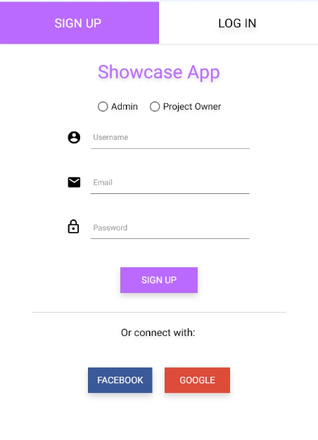
1.1 | Click on the Admin radio button | The admin radio box is selected | In Testing |  | Ready to Test
1.2 | Enter a valid Admin Username | The placeholder is removed and the username is entered succesfully
1.3 | Enter a valid Email | The placeholder is removed and the email is entered succesfully
1.4 | Enter a valid Password | • The placeholder is removed and the password is entered succesfully • The password is encrypted
1.5 | Click on the Sign Up button | • The sign-up process completes successfully • The user is redirected on (xyz) page • A verification mail is sent to the user
2 | Register as a Project Owner using valid credentials
2.1 | Click on the Project Owner radio button | The Project Owner radio box is selected | Pass |  | In Testing
2.2 | Enter a valid Project Owner Username | The placeholder is removed and the username is entered succesfully
2.3 | Enter a valid Email | The placeholder is removed and the email is entered succesfully
2.4 | Enter a valid Password | • The placeholder is removed and the password is entered succesfully • The password is encrypted
2.5 | Click on the Sign Up button | • The Sign-up process completes successfully • The user is redirected on (xyz) page • A ferification mail is sent to the user
3 | Connect using the Facebook Button
3.1 | Click on the Facebook button | User is redirected to Facebook login page | Fail |  | Pass
3.2 | Complete the facebook authentication | User is redirected to the terms and conditions page
3.3 | Allow Mock App to access the facebook information | • The Sign-up process completes successfully • The user is redirected on (xyz) page • A ferification mail is sent to the user
4 | Connect using the Facebook Button with user already signed in on Facebook
4.1 | Click on the Facebook button | User is redirected to the terms and conditions page | In Testing |  | Ready to Test
4.2 | Allow Mock App to access the facebook information | • The Sign-up process completes successfully • The user is redirected on (xyz) page • A ferification mail is sent to the user
5 | Connect using the Google Button
5.1 | Click on the Google button | User is redirected to Google login page | Blocked |  | Blocked
5.2 | Complete the facebook authentication | User is redirected to the terms and conditions page
5.3 | Allow Showcase App to access the Facebook information | • The Sign-up process completes successfully • The user is redirected on (xyz) page • A ferification mail is sent to the user
6 | Connect using the Facebook Button with user already signed in on Google
6.1 | Click on the Google button | User is redirected to the terms and conditions page | Skipped |  | Skipped
6.2 | Allow Mock App to access the Google information | • The Sign-up process completes successfully • The user is redirected on (xyz) page • A ferification mail is sent to the user

Mock Login Valid
Step | Action | Expected Result | Android | Android Actual Result | Windows - Edge | Widnows Actual Result
Prerequsites | 1. Sign-up page is already opened
1 | Login as an Admin using valid credentials
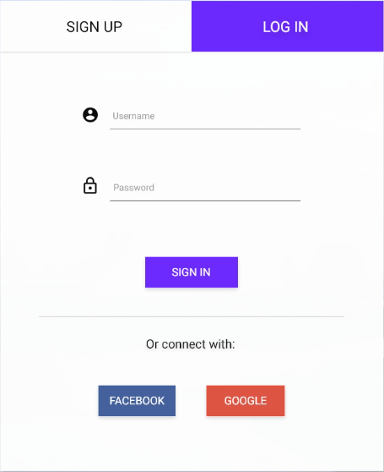
1.1 | Enter a valid Admin Username | The placeholder is removed and the username is entered succesfully | In Testing |  | Ready to Test
1.2 | Enter a valid Password | • The placeholder is removed and the password is entered succesfully • The password is encrypted
1.3 | Click on the Sign In button | • The login process completes successfully • The user is redirected on (xyz) page
2 | Login as a Project Owner using valid credentials
2.1 | Enter a valid Project Owner Username | The placeholder is removed and the username is entered succesfully | Pass |  | In Testing
2.3 | Enter a valid Password | • The placeholder is removed and the password is entered succesfully • The password is encrypted
2.4 | Click on the Sign In button | • The Login process completes successfully • The user is redirected on (xyz) page
3 | Login using the Facebook Button
3.1 | Click on the Facebook button | User is redirected to Facebook login page | Fail |  | Pass
3.2 | Complete the facebook authentication | User is redirected to the terms and conditions page
3.3 | Allow Mock App to access the facebook information | • The Sign-up process completes successfully • The user is redirected on (xyz) page
4 | Login using the Facebook Button with user already signed in on Facebook
4.1 | Click on the Facebook button | User is redirected to the terms and conditions page | Blocked |  | Fail
4.2 | Allow Mock App to access the facebook information | • The Login process completes successfully • The user is redirected on (xyz) page
5 | Login using the Google Button
5.1 | Click on the Google button | User is redirected to Google login page | Skipped |  | Blocked
5.2 | Complete the facebook authentication | User is redirected to the terms and conditions page
5.3 | Allow Showcase App to access the Facebook information | • The Login process completes successfully • The user is redirected on (xyz) page
6 | Login using the Facebook Button with user already signed in on Google
6.1 | Click on the Google button | User is redirected to the terms and conditions page | Skipped |  | Skipped
6.2 | Allow Mock App to access the Google information | • The Login process completes successfully • The user is redirected on (xyz) page

